Dashboard
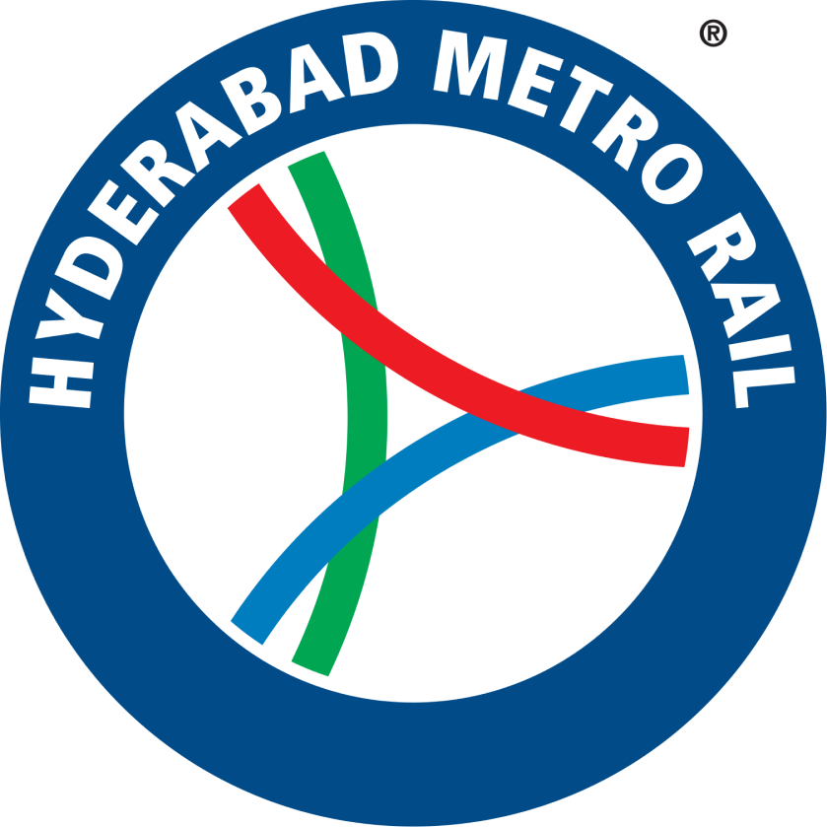
METRO ANALYSE DASHBOARD

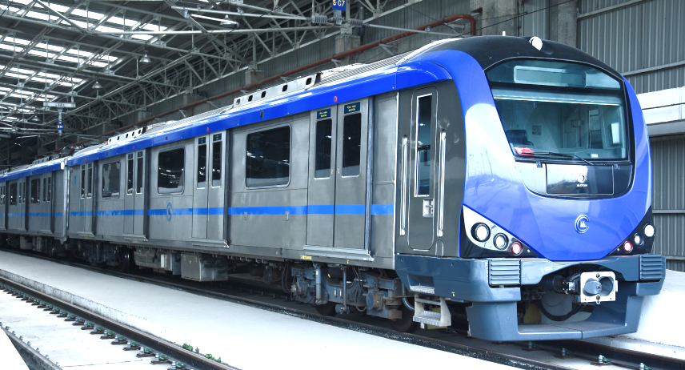

 | Sum of Passengers/day | Sum of Weekend | Sum of Metro Pass | Sum of Cash Payment | Sum of Female | Sum of Male
JBS | 35000 | 900,000 | 12,000 | 20,000 | 8,000 | 9,989
Miyapur | 225000 | 1,350,000 | 30,000 | 50,000 | 76,999 | 87,000
Raidurg | 223000 | 1,250,000 | 18,000 | 30,000 | 36,990 | 67,988
METRO ANALYSE
 | Sum of Male | Sum of Female
Blue Line | 67,988 | 36,990
Green Line | 9,989 | 8,000
Red Line | 87,000 | 76,999

Sum of Weekend
35,00,000

 | Sum of Passengers/day | Sum of Weekend
Blue Line | 223000 | 1,250,000
Green Line | 35000 | 900,000
Red Line | 225000 | 1,350,000

 | Sum of Cash Payment | Sum of Metro Pass
Blue Line | 30,000 | 18,000
Green Line | 20,000 | 12,000
Red Line | 50,000 | 30,000

Sum of Passengers/day
483000.00

Sum of AVERAGE PASSENGER
38.40%

bar
Row Labels | Sum of Passengers/day | Sum of Weekend | Sum of Metro Pass | Sum of Cash Payment | Sum of Female | Sum of Male
JBS | 35000 | 900,000 | 12,000 | 20,000 | 8,000 | 9,989
Miyapur | 225000 | 1,350,000 | 30,000 | 50,000 | 76,999 | 87,000
Raidurg | 223000 | 1,250,000 | 18,000 | 30,000 | 36,990 | 67,988
Grand Total | 483000 | 3,500,000 | 60,000 | 100,000 | 121,989 | 164,977

Row Labels | sum of weekend
weekend | 900000
sum of weekend | 1350000
Grand Total | 1250000

Row Labels | Sum of Male | Sum of Female
Blue Line | 67,988 | 36,990
Green Line | 9,989 | 8,000
Red Line | 87,000 | 76,999
Grand Total | 164,977 | 121,989

cash payment |  |  |  | 0
sum of cash payment |  |  |  | not found

Row Labels | Sum of Cash Payment | Sum of Metro Pass
Blue Line | 30,000 | 18,000
Green Line | 20,000 | 12,000
Red Line | 50,000 | 30,000
Grand Total | 100,000 | 60,000

Row Labels | sum of cash payment
cash payment | 30000
sum of cash payment | 20000
Grand Total | 50000

Row Labels | Sum of Passengers/day | Sum of Weekend
Blue Line | 223000 | 1,250,000
Green Line | 35000 | 900,000
Red Line | 225000 | 1,350,000
Grand Total | 483000 | 3,500,000

Row Labels
cash payment
sum of cash payment | sum of passengers/day
female | 223000
sum of female | 35000
male | 225000
sum of male
metro pass
sum of metro pass
passengers/day
sum of passengers/day
weekend
sum of weekend
Grand Total

Row Labels | Sum of Cash Payment | Sum of Metro Pass | Sum of Weekend | Sum of Passengers/day | Sum of Female | Sum of Male | Sum of AVERAGE PASSENGER
Blue Line | 30,000 | 18,000 | 1,250,000 | 223000 | 36,990 | 67,988 | 17.84%
Green Line | 20,000 | 12,000 | 900,000 | 35000 | 8,000 | 9,989 | 3.89%
Red Line | 50,000 | 30,000 | 1,350,000 | 225000 | 76,999 | 87,000 | 16.67%
 | 100,000 | 60,000 | 3,500,000 | 483000.00 | 121,989 | 164,977 | 38.40%

 | Sum of Cash Payment |  | Sum of Weekend | Sum of Passengers/day |  |  | Sum of AVERAGE PASSENGER
 | 100,000 |  | 3,500,000 | 483000.00 |  |  | 38.40%

